0. Instructions
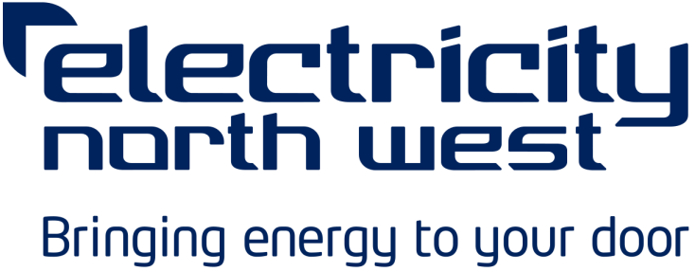
Flexible Services Request for Proposal
TT110913 - Flexible Service Requirement Spring 2020

Electricity North West Limited looks forward to receiving responses to this Request for Proposal (RfP) no later than 12 noon on 18th May 2020.
Please refer to the full RfP document for further information.

Instructions
Please complete the information requests in the following tabs within this document.

Section | Description
1. Conditions Precedent | Confirmation that you can meet the high-level service conditions.
2. Bidder Details | Your details, including company registration.
3. Specification Reply | Confirmation of compliance against technical specification of proposed Flexible Resource.
4. Pricing | Your pricing information for provision of Flexible Service during 2020/2021.

Once completed, the response should be uploaded to the WAX Digital portal.

For further information please refer to Tab '6. RfP Information'.

