Mapping - BAU
Mapping of failure probability of demonstrated distribution transformers

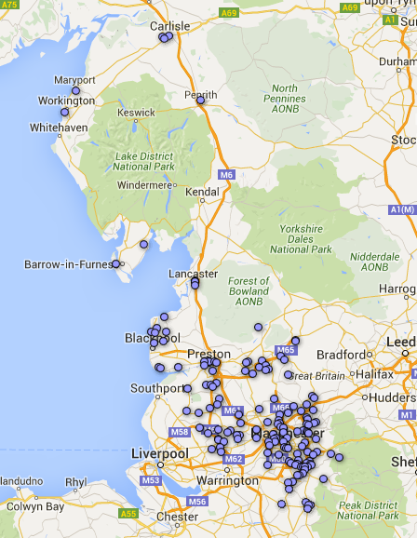
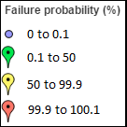
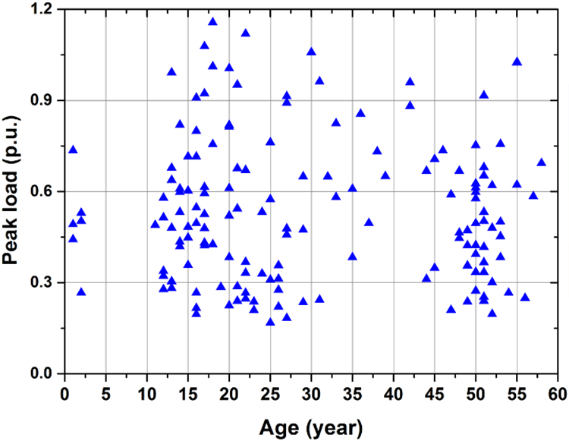

Mapping - Mid-range
Mapping of failure probability of demonstrated distribution transformers

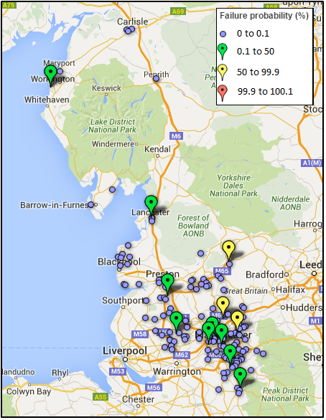
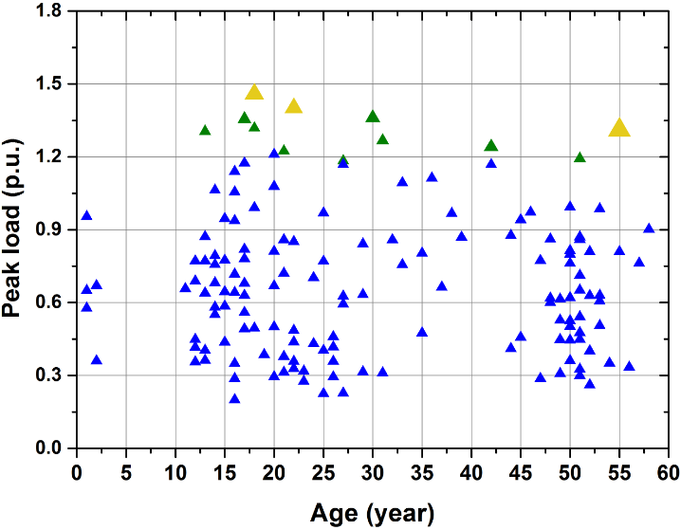

Mapping - High-range
Mapping of failure probability of demonstrated distribution transformers

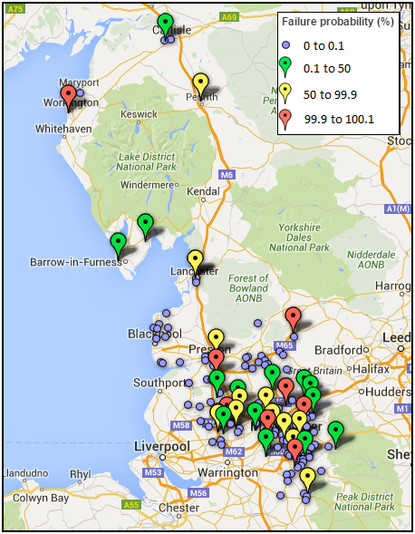
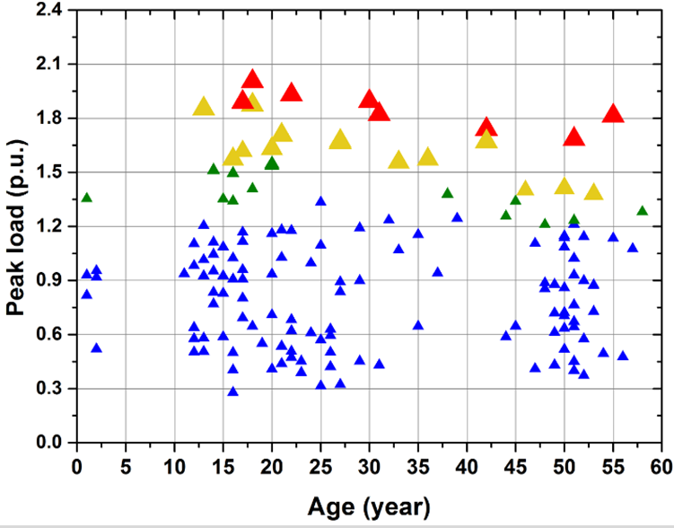

Mapping - Extreme-range
Mapping of failure probability of demonstrated distribution transformers

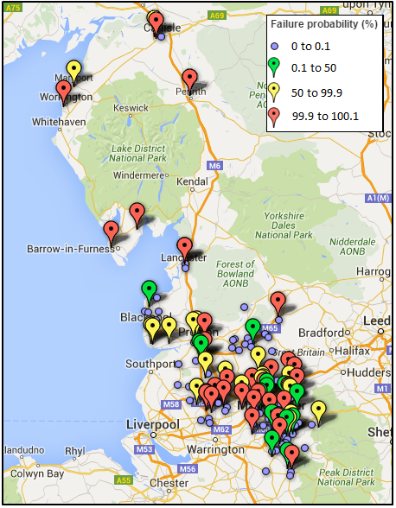
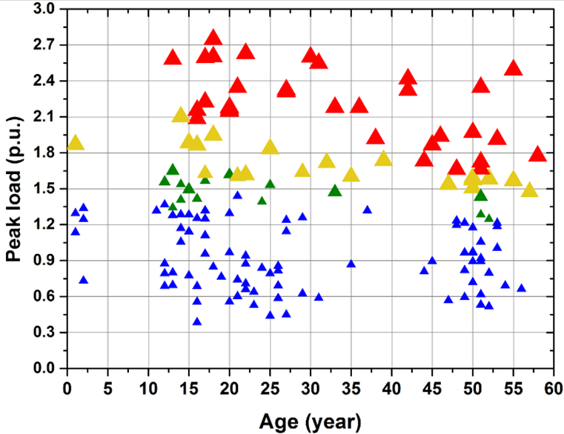

Appendix
Definition
EV Scenario |  | BAU |  | Business as usual with EVs penetration level of 0
 |  | Mid-range |  | EVs penetration level of 11.7 %
 |  | High-range |  | EVs penetration level of 32%
 |  | Extreme-range |  | EVs penetration level of 58.9%

Condition settings for intermediate calculation
Ambient temperature (for hot-spot temperature calculation) (°C) |  |  |  |  |  |  |  |  | 13.4
Oil depth (for bubbling inception temperaure calculation) (m) |  |  |  |  |  |  |  |  | 1.57
Gas content (for bubbling inception temperature calculation) (%) |  |  |  |  |  |  |  |  | 9

$${∆θ}_{or}$$
$$g_{r}$$
$$τ_{o}$$
$$τ_{w}$$
$$k_{11}$$
$$k_{21}$$
$$k_{22}$$
Thermal parameters applied for assessment
R |  |  | H |  |  | x | y
8.7 | 50.6 | 16.8 | 1.1 | 180 | 11.4 | 0.8 | 1.6 | 1.1 | 1 | 2

